Burndown
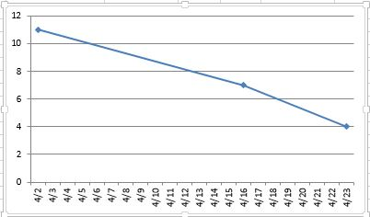
Date | Remaining Stories | Story Velocity | LOC | Min | Code Velocity
2015-04-02 | 12 |  | 0
2015-04-16 | 7 | 4 | 250 | 200 | 75 | Red = Accomplished
2015-04-30 | 0 | 7 | 500 | 250 | 60 | Green = Estimated

